
 |  |  |  | CODE: |  |  | pl1069 aa SN from 97I46
DESCRIPTION: |  | SQUEEGEE LIFT |  | SAUGFUßHEBEVORRICHTUNG | SOULEVEMENT SUCEUR | LEVANTAMIENTO ESCURRESUELOS | SOL. SQUEEGEE
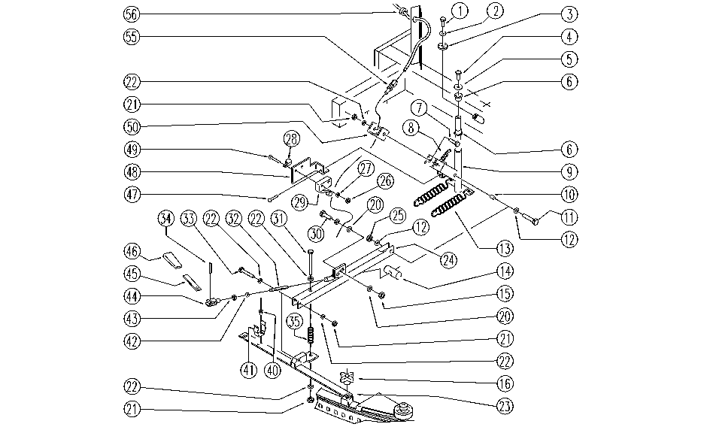

REF. | CODE | DESCRIPTION | QT
1 | SL04180 | SCREW | 1
2 | E86758 | Washer | 1
3 | SL06092 | WASHER | 1
4 | E86706 | Screw TE M 6-16 | 1
5 | E89202 | Washer | 1
6 | E89403 | Bushing | 2
7 | E86354 | Screw AS36 | 2
8 | E86363 | spring AS36/WS36 | 1
9 | E86847 | Clip | 1
10 | E89442 | Bearing | 2
11 | SL04312 | SCREW | 1
12 | E88091 | Washer | 2
13 | SL13065 | SPRING | 2
14 | SL09537 | HOOKING | 1
15 | E86489 | Nut, M12 | 1
16 | E86852 | Squeegee Knob | 2
20 | E86490 | AS20 Washer | 2
21 | E86853 | Nyloc Nut, M8 Zinc | 4
22 | E86726 | Washer | 6
23 | E86845 | Bracket, Squeegee | 1
24 | E86846 | Lever, Squeegee | 1
25 | E86462 | AS20 Nut | 1
26 | E86739 | AS28 Nut | 2
27 | E86797 | Washer | 2
28 | SL14150 | CLAMP | 1
29 | E86828 | Microswitch | 1
30 | E86353 | Screw AS36 | 1
31 | E86872 | Screw | 1
32 | E86319 | shaft WS20 | 1
33 | E86486 | Screw TE M8-45 | 1
34 | E89204 | Pin WS36 | 1
35 | E89495 | Spring | 1
40 | SL14006 | TEAR RIVET | 2
41 | E86847 | Clip | 1
42 | SL06018 | WASHER | 1
43 | E86703 | Nut M8 | 1
44 | E86917 | AS30/36 Fork | 1
45 | E89205 | Lever WS36 | 1
46 | E86450 | Tank Support Handle | 1
47 | E86336 | M4 - 1 Screw | 1
48 | SL09742 | SUPPORT | 1
49 | SL04107 | SCREW | 2
50 | SL09737 | SUPPORT | 1
55 | SL14222 | REGISTER | 1
56 | SL23050 | FAIRLEAD | 1

